Sheet1
Q-1
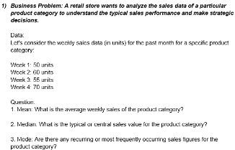
 |  |  | Week 1 | 50 | units
 |  |  | Week 2 | 60 | units
 |  |  | Week 3 | 55 | units
 |  |  | Week 4 | 70 | units

 |  |  | Median | 57.5
 |  |  | Mode | #N/A
 |  |  | Mean | 58.75

Q-2

 |  |  | 15 | 30 | 10 | 20 | 25 | 15 | 10 | 20 | 15 | 10 |  |  |  | 10 | 20 | 25
 |  |  | 10 | 25 | 15 | 20 | 20 | 15 | 10 | 10 | 20 | 25

 |  |  | Median | 15
 |  |  | Mode | 10
 |  |  | Mean | 17

Q-3

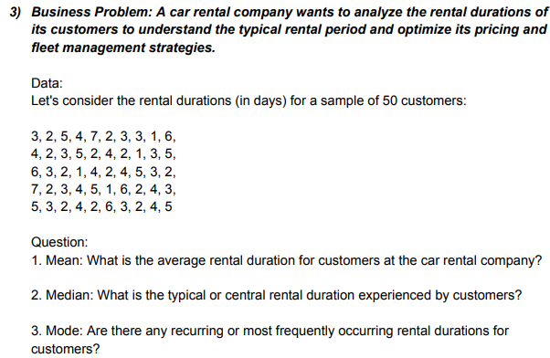
 |  |  | 3 | 2 | 5 | 4 | 7 | 2 | 3 | 3 | 1 | 6
 |  |  | 4 | 2 | 3 | 5 | 2 | 4 | 2 | 1 | 3 | 5
 |  |  | 6 | 3 | 2 | 1 | 4 | 2 | 4 | 5 | 3 | 2
 |  |  | 7 | 2 | 3 | 4 | 5 | 1 | 6 | 2 | 4 | 3
 |  |  | 5 | 3 | 2 | 4 | 2 | 6 | 3 | 2 | 4 | 5

 |  |  | Median | 3
 |  |  | Mode | 2
 |  |  | Mean | 3.44

Questions on measure of dispersion

Q-1

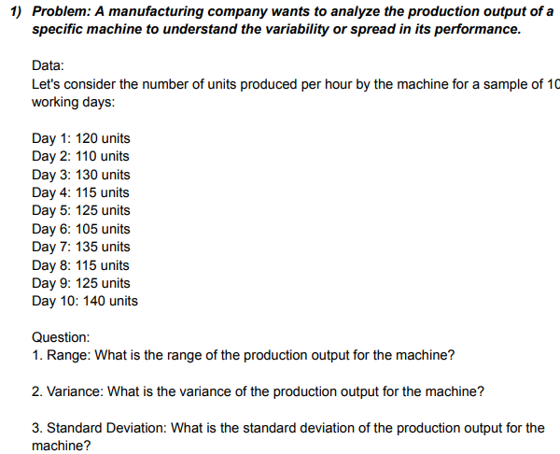
 |  |  | 120
 |  |  | 110 |  |  | min | 105
 |  |  | 130 |  |  | max | 140
 |  |  | 115 |  |  | range | 35
 |  |  | 125
 |  |  | 105 |  |  | variance | 123.33333333
 |  |  | 135 |  |  | Standard Deviation | 11.105554166
 |  |  | 115
 |  |  | 125
 |  |  | 140

Q-2

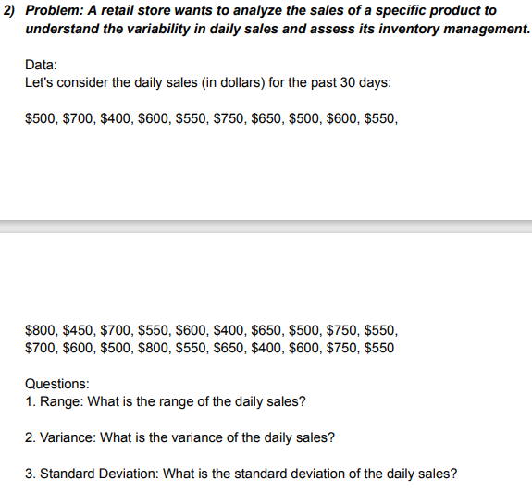
 |  | 500 | 650 | 700 | 400 | 600 | 550 | 750 | 500 | 600 | 550
 |  | 800 | 650 | 450 | 700 | 550 | 600 | 400 | 500 | 750 | 550
 |  | 700 | 600 | 500 | 800 | 550 | 650 | 400 | 600 | 750 | 550

 |  | range
 |  | min | 400
 |  | max | 800
 |  | range | 400

 |  | variance | 13163.793103
 |  | Standard Deviation | 114.73357444

Q-3

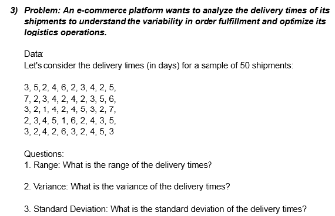
 |  |  | 3 | 3 | 5 | 2 | 4 | 6 | 2 | 4 | 2 | 5
 |  |  | 7 | 2 | 3 | 5 | 4 | 2 | 4 | 2 | 3 | 6
 |  |  | 3 | 2 | 1 | 4 | 2 | 7 | 4 | 5 | 3 | 2
 |  |  | 2 | 3 | 4 | 5 | 1 | 6 | 2 | 4 | 3 | 5
 |  |  | 3 | 2 | 2 | 6 | 3 | 2 | 4 | 5 | 3 | 4

 |  |  | range
 |  |  | min | 1
 |  |  | max | 7
 |  |  | range | 6

 |  |  | variance | 2.3363265306
 |  |  | Standard Deviation | 1.5285046714

Q-4

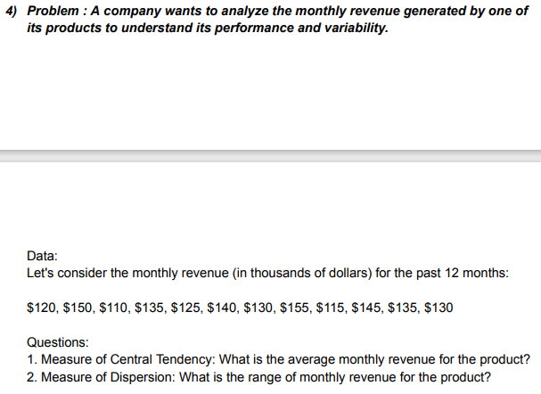
 |  |  | 120 | 130 | 150 | 110 | 135 | 125
 |  |  | 155 | 115 | 145 | 135 | 130 | 140

 |  |  | Measure of Central Tendency |  |  | average | 132.5
 |  |  | Measure of Dispersion
 |  |  | range
 |  |  | min |  |  | 110
 |  |  | max |  |  | 155
 |  |  | range |  |  | 45

Q-5
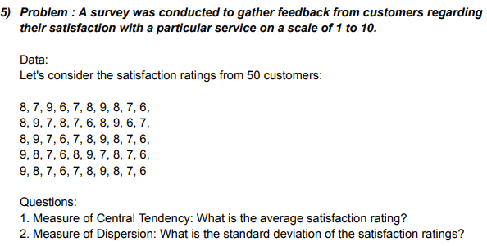
 |  |  | 8 | 7 | 9 | 6 | 7 | 8 | 9 | 8 | 7 | 6
 |  |  | 8 | 9 | 7 | 8 | 7 | 6 | 8 | 9 | 6 | 7
 |  |  | 8 | 9 | 7 | 6 | 7 | 8 | 9 | 8 | 7 | 6
 |  |  | 9 | 8 | 7 | 6 | 8 | 9 | 7 | 8 | 7 | 6
 |  |  | 9 | 8 | 7 | 6 | 7 | 8 | 9 | 8 | 7 | 6

 |  |  | Measure of Central Tendency |  |  | Average | 7.5
 |  |  | Measure of Dispersion |  |  | standard deviation | 1.035098339

Q-6

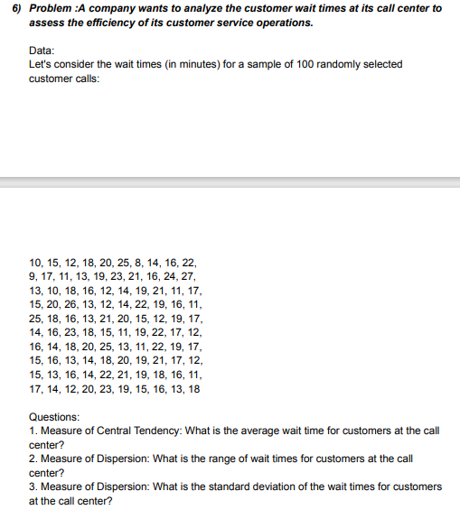
 |  |  | 10 | 15 | 12 | 18 | 20 | 25 | 8 | 14 | 16 | 22
 |  |  | 9 | 17 | 11 | 13 | 19 | 23 | 21 | 16 | 24 | 27
 |  |  | 13 | 10 | 18 | 16 | 12 | 14 | 19 | 21 | 11 | 17
 |  |  | 15 | 20 | 26 | 13 | 12 | 14 | 22 | 19 | 16 | 11
 |  |  | 25 | 18 | 16 | 13 | 21 | 20 | 15 | 12 | 19 | 17
 |  |  | 14 | 16 | 23 | 18 | 15 | 11 | 19 | 22 | 17 | 12
 |  |  | 16 | 14 | 18 | 20 | 25 | 13 | 11 | 22 | 19 | 17
 |  |  | 15 | 16 | 13 | 14 | 18 | 20 | 19 | 21 | 17 | 12
 |  |  | 15 | 13 | 16 | 14 | 22 | 21 | 19 | 18 | 16 | 11
 |  |  | 17 | 14 | 12 | 20 | 23 | 19 | 15 | 16 | 13 | 18

 |  |  | Questions: 1. Measure of Central Tendency: What is the average wait time for customers at the call center?
 |  |  | Mean | 16.74

 |  |  | 2. Measure of Dispersion: What is the range of wait times for customers at the call center?
 |  |  | Min | 8
 |  |  | Max | 27
 |  |  | range | 19

 |  |  | 3. Measure of Dispersion: What is the standard deviation of the wait times for customers at the call center?

 |  |  | STD | 4.1429506881

Q-7

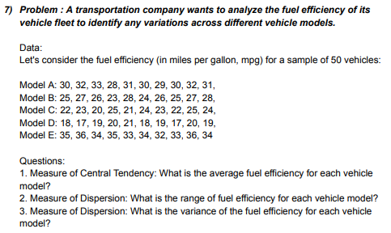
 |  |  | Model A | 30 | 32 | 33 | 28 | 31 | 30 | 29 | 30 | 32 | 31
 |  |  | Model B | 25 | 27 | 26 | 23 | 28 | 24 | 26 | 25 | 27 | 28
 |  |  | Model C | 22 | 23 | 20 | 25 | 21 | 24 | 23 | 22 | 25 | 24
 |  |  | Model D | 18 | 17 | 19 | 20 | 21 | 18 | 19 | 17 | 20 | 19
 |  |  | Model E | 35 | 36 | 34 | 35 | 33 | 34 | 32 | 33 | 36 | 34

 |  |  | AVARAGE | 26.48
 |  |  | VARIANCE | 32.417959184

 |  |  | MIN | 17
 |  |  | MAX | 36
 |  |  | RANGE | 19

More Statistics Questions

Q-8

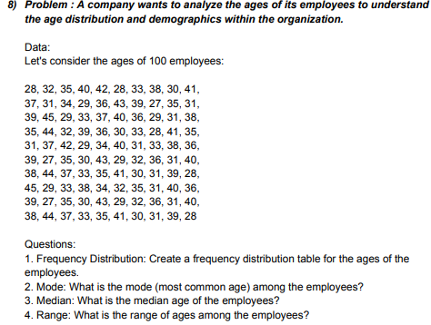
 |  | 28 | 32 | 35 | 40 | 42 | 28 | 33 | 38 | 30 | 41
 |  | 37 | 31 | 34 | 29 | 36 | 43 | 39 | 27 | 35 | 31
 |  | 39 | 45 | 29 | 33 | 37 | 40 | 36 | 29 | 31 | 38
 |  | 35 | 44 | 32 | 39 | 36 | 30 | 33 | 28 | 41 | 35
 |  | 31 | 37 | 42 | 29 | 34 | 40 | 31 | 33 | 38 | 36
 |  | 39 | 27 | 35 | 30 | 43 | 29 | 32 | 36 | 31 | 40
 |  | 38 | 44 | 37 | 33 | 35 | 41 | 30 | 31 | 39 | 28
 |  | 45 | 29 | 33 | 38 | 34 | 32 | 35 | 31 | 40 | 36
 |  | 39 | 27 | 35 | 30 | 43 | 29 | 32 | 36 | 31 | 40
 |  | 38 | 44 | 37 | 33 | 35 | 41 | 30 | 31 | 39 | 28

 |  |  | MODE | 31 |  |  | 25 |  |  | Bin | Frequency
 |  |  | MEDIAN | 35 |  |  | 30 |  |  | 25 | 0
 |  |  | MIN | 27 |  |  | 35 |  |  | 30 | 21
 |  |  | MAX | 45 |  |  | 40 |  |  | 35 | 34
 |  |  | RANGE | 18 |  |  | 45 |  |  | 40 | 31
 |  |  |  |  |  |  |  |  |  | 45 | 14
 |  |  |  |  |  |  |  |  |  | More | 0
Q-9

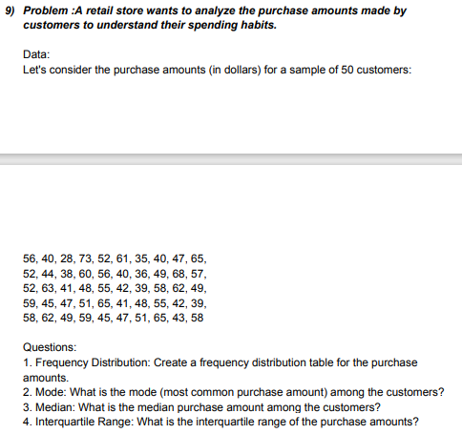
 |  | 56 | 40 | 28 | 73 | 52 | 61 | 35 | 40 | 47 | 65
 |  | 52 | 44 | 38 | 60 | 56 | 40 | 36 | 49 | 68 | 57
 |  | 52 | 63 | 41 | 48 | 55 | 42 | 39 | 58 | 62 | 49
 |  | 59 | 45 | 47 | 51 | 65 | 41 | 48 | 55 | 42 | 39
 |  | 58 | 62 | 49 | 59 | 45 | 47 | 51 | 65 | 43 | 58

 |  |  | MODE | 40
 |  |  | MEDIAN | 50 |  |  | 25 |  | Bin | Frequency
 |  |  | Interquartile Range |  |  |  | 35 |  | 25 | 0
 |  |  | Q3 | 58 |  |  | 45 |  | 35 | 2
 |  |  | Q1 | 42.25 |  |  | 55 |  | 45 | 15
 |  |  | Q3-Q1 | 15.75 |  |  | 65 |  | 55 | 15
 |  |  | max | 73 |  |  | 75 |  | 65 | 16
 |  |  | min | 28 |  |  |  |  | 75 | 2
 |  |  |  |  |  |  |  |  | More | 0

Q-10

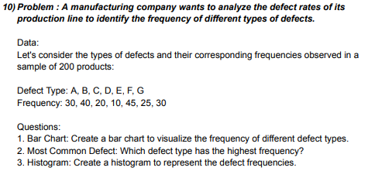
 |  |  | Defect Type | Frequency |  | MODE | 30
 |  |  | A | 30
 |  |  | B | 40
 |  |  | C | 20
 |  |  | D | 10
 |  |  | E | 45
 |  |  | F | 25
 |  |  | G | 30

 | BARCHART |  | HISTOGRAM

Q-11

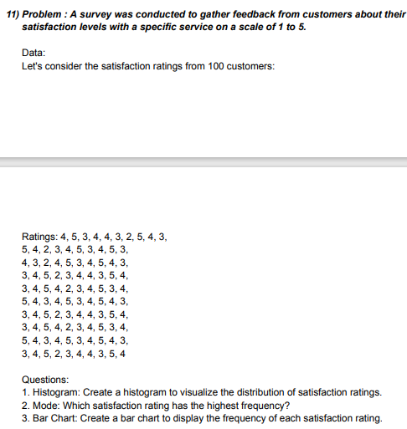
 |  |  | 4 | 5 | 3 | 4 | 4 | 3 | 2 | 5 | 4 | 3
 |  |  | 5 | 4 | 2 | 3 | 4 | 5 | 3 | 4 | 5 | 3
 |  |  | 4 | 3 | 2 | 4 | 5 | 3 | 4 | 5 | 4 | 3
 |  |  | 3 | 4 | 5 | 2 | 3 | 4 | 4 | 3 | 5 | 4
 |  |  | 3 | 4 | 5 | 4 | 2 | 3 | 4 | 5 | 3 | 4
 |  |  | 5 | 4 | 3 | 4 | 5 | 3 | 4 | 5 | 4 | 3
 |  |  | 3 | 4 | 5 | 2 | 3 | 4 | 4 | 3 | 5 | 4
 |  |  | 3 | 4 | 5 | 4 | 2 | 3 | 4 | 5 | 3 | 4
 |  |  | 5 | 4 | 3 | 4 | 5 | 3 | 4 | 5 | 4 | 3
 |  |  | 3 | 4 | 5 | 2 | 3 | 4 | 4 | 3 | 5 | 4

 |  |  | MODE | 4 |  | 1 |  | Bin | Frequency
 |  |  | MIN | 2 |  | 2 |  | 1 | 0
 |  |  | MAX | 5 |  | 3 |  | 2 | 8
 |  |  |  |  |  | 4 |  | 3 | 30
 |  |  |  |  |  | 5 |  | 4 | 39
 |  |  |  |  |  |  |  | 5 | 23
 |  |  |  |  |  |  |  | More | 0

 | BARCHART |  |  | HISTOGRAM

Histogram
 | Frequency
1 | 0
2 | 8
3 | 30
4 | 39
5 | 23
More | 0

Q-12

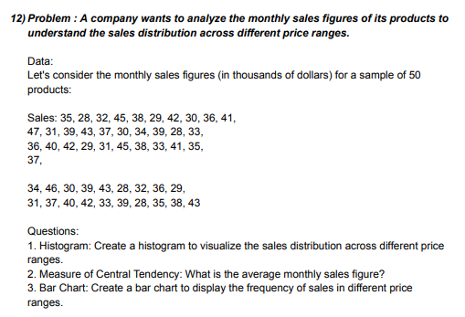
 |  |  | 35 | 28 | 32 | 45 | 38 | 29 | 42 | 30 | 36 | 41
 |  |  | 47 | 31 | 39 | 43 | 37 | 30 | 34 | 39 | 28 | 33
 |  |  | 36 | 40 | 42 | 29 | 31 | 45 | 38 | 33 | 41 | 35
 |  |  | 37 | 34 | 46 | 30 | 39 | 43 | 28 | 32 | 36 | 29
 |  |  | 31 | 37 | 40 | 42 | 33 | 39 | 28 | 35 | 38 | 43

 |  |  | AVERAGE | 36.14 |  | 25 |  | Bin | Frequency
 |  |  | MIN | 28 |  | 30 |  | 25 | 0
 |  |  | MAX | 47 |  | 35 |  | 30 | 10
 |  |  |  |  |  | 40 |  | 35 | 13
 |  |  |  |  |  | 45 |  | 40 | 15
 |  |  |  |  |  | 50 |  | 45 | 10
 |  |  |  |  |  |  |  | 50 | 2
 |  |  |  |  |  |  |  | More | 0

 | BARCHART |  | HISTOGRAM
Histogram
 | Frequency
25 | 0
30 | 10
35 | 13
40 | 15
45 | 10
50 | 2
More | 0
 |  |  | Bin | Frequency
 |  |  | 25 | 0
 |  |  | 30 | 10
 |  |  | 35 | 13
 |  |  | 40 | 15
 |  |  | 45 | 10
 |  |  | 50 | 2
 |  |  | More | 0

Q-13

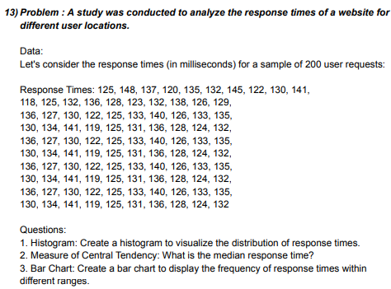
 |  | 125 | 148 | 137 | 120 | 135 | 132 | 145 | 122 | 130 | 141
 |  | 118 | 125 | 132 | 136 | 128 | 123 | 132 | 138 | 126 | 129
 |  | 136 | 127 | 130 | 122 | 125 | 133 | 140 | 126 | 133 | 135
 |  | 130 | 134 | 141 | 119 | 125 | 131 | 136 | 128 | 124 | 132
 |  | 136 | 127 | 130 | 122 | 125 | 133 | 140 | 126 | 133 | 135
 |  | 130 | 134 | 141 | 119 | 125 | 131 | 136 | 128 | 124 | 132
 |  | 136 | 127 | 130 | 122 | 125 | 133 | 140 | 126 | 133 | 135
 |  | 130 | 134 | 141 | 119 | 125 | 131 | 136 | 128 | 124 | 132

 |  | MEDIAN | 130.5 |  | 115 |  | Bin | Frequency
 |  | MAX | 148 |  | 125 |  | 115 | 0
 |  | MIN | 118 |  | 135 |  | 125 | 21
 |  |  |  |  | 145 |  | 135 | 41
 |  |  |  |  | 155 |  | 145 | 17
 | BARCHART |  |  |  |  |  | 155 | 1
 |  |  |  |  |  |  | More | 0

 |  |  |  |  | HISTOGRAM

Histogram
 | Frequency
115 | 0
125 | 21
135 | 41
145 | 17
155 | 1
More | 0

Q-14

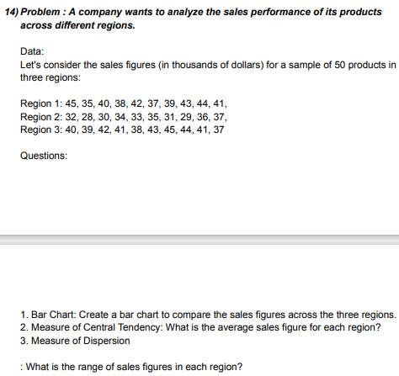
 |  |  | Region 1 | 45 | 35 | 40 | 38 | 42 | 37 | 39 | 43 | 44 | 41
 |  |  | Region 2 | 32 | 28 | 30 | 34 | 33 | 35 | 31 | 29 | 36 | 37
 |  |  | Region 3 | 40 | 39 | 42 | 41 | 38 | 43 | 45 | 44 | 41 | 37

 |  |  |  |  |  |  |  | REGION 1 |  |  | REGION2 |  |  | REGION3
 |  | AVERAGE |  | MIN | MAX | RANGE |  | Bin | Frequency |  | Bin | Frequency |  | Bin | Frequency
 |  | REGION1 | 40.4 | 35 | 45 | 10 |  | 25 | 0 |  | 25 | 0 |  | 25 | 0
 |  | REGION 2 | 32.5 | 28 | 37 | 9 |  | 30 | 0 |  | 30 | 3 |  | 30 | 0
 |  | REGION 3 | 41 | 37 | 45 | 8 |  | 35 | 1 |  | 35 | 5 |  | 35 | 0
 |  |  |  |  |  |  |  | 40 | 4 |  | 40 | 2 |  | 40 | 4
 |  |  |  |  |  |  |  | 45 | 5 |  | 45 | 0 |  | 45 | 6
 |  |  |  |  |  |  | 25 | 50 | 0 |  | 50 | 0 |  | More | 0
 |  |  |  |  |  |  | 30 | More | 0 |  | More | 0
 |  |  |  |  |  |  | 35
 |  |  |  |  |  |  | 40
 |  | BARCHART |  |  |  |  | 45
 |  |  |  |  |  |  | 50

Questions on Percentile and Quartiles

Q-1

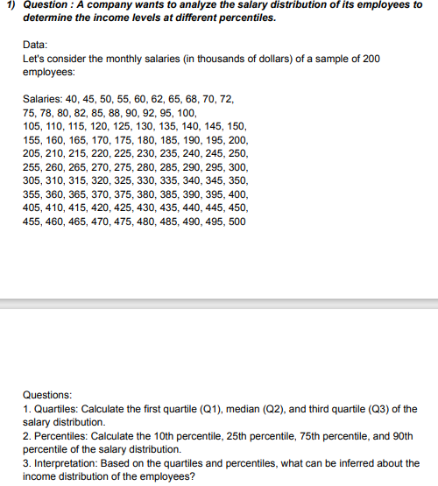
 |  |  | 40 | 45 | 50 | 55 | 60 | 62 | 65 | 68 | 70 | 72
 |  |  | 75 | 78 | 80 | 82 | 85 | 88 | 90 | 92 | 95 | 100
 |  |  | 105 | 110 | 115 | 120 | 125 | 130 | 135 | 140 | 145 | 150
 |  |  | 155 | 160 | 165 | 170 | 175 | 180 | 185 | 190 | 195 | 200
 |  |  | 205 | 210 | 215 | 220 | 225 | 230 | 235 | 240 | 245 | 250
 |  |  | 255 | 260 | 265 | 270 | 275 | 280 | 285 | 290 | 295 | 300
 |  |  | 305 | 310 | 315 | 320 | 325 | 330 | 335 | 340 | 345 | 350
 |  |  | 355 | 360 | 365 | 370 | 375 | 380 | 385 | 390 | 395 | 400
 |  |  | 405 | 410 | 415 | 420 | 425 | 430 | 435 | 440 | 445 | 450
 |  |  | 455 | 460 | 465 | 470 | 475 | 480 | 485 | 490 | 495 | 500

 |  |  | Quartiles |  |  | Percentiles |  |  | Interpretation
 |  |  |  |  |  |  |  |  | Given the monthly Salary data of all Employees we noticed that the Highest Percentile Salary in Doller 450.5 and the Lowest Percentile Salary in Doller 74.7 and otherside in Quartiles the Higest Quartile Salary is 376.3 and the Lowest Quartile 128.8.
 |  |  | Q1 | 128.75 |  | 10TH | 74.7
 |  |  | Q2 | 252.5 |  | 25TH | 128.75
 |  |  | Q3 | 376.25 |  | 75TH | 376.25
 |  |  |  |  |  | 90TH | 450.5

Q-2

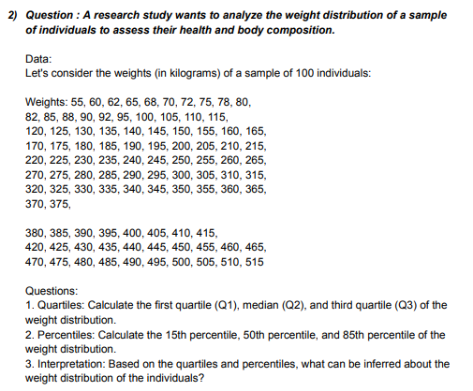
 |  | 55 | 60 | 62 | 65 | 68 | 70 | 72 | 75 | 78 | 80
 |  | 82 | 85 | 88 | 90 | 92 | 95 | 100 | 105 | 110 | 115
 |  | 120 | 125 | 130 | 135 | 140 | 145 | 150 | 155 | 160 | 165
 |  | 170 | 175 | 180 | 185 | 190 | 195 | 200 | 205 | 210 | 215
 |  | 220 | 225 | 230 | 235 | 240 | 245 | 250 | 255 | 260 | 265
 |  | 270 | 275 | 280 | 285 | 290 | 295 | 300 | 305 | 310 | 315
 |  | 320 | 325 | 330 | 335 | 340 | 345 | 350 | 355 | 360 | 365
 |  | 370 | 375 | 380 | 385 | 390 | 395 | 400 | 405 | 410 | 415
 |  | 420 | 425 | 430 | 435 | 440 | 445 | 450 | 455 | 460 | 465
 |  | 470 | 475 | 480 | 485 | 490 | 495 | 500 | 505 | 510 | 515

 |  | Quartiles |  |  | Percentiles |  |  | Interpretation
 |  |  |  |  |  |  |  | Given the weights of a sample data of 100 individuals we noticed that the Highest Percentile weights in kg 440.75 and the Lowest Percentile S weights in kg 94.55 and otherside in Quartiles the Higest Quartile weight is 391.25 and the Lowest Quartile is 143.75.
 |  | Q1 | 143.75 |  | 15TH | 94.55
 |  | Q2 | 267.5 |  | 50TH | 267.5
 |  | Q3 | 391.25 |  | 85TH | 440.75

Q-3

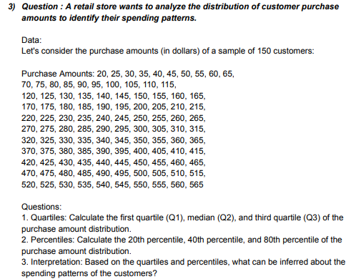
 |  | 20 | 25 | 30 | 35 | 40 | 45 | 50 | 55 | 60 | 65
 |  | 70 | 75 | 80 | 85 | 90 | 95 | 100 | 105 | 110 | 115
 |  | 120 | 125 | 130 | 135 | 140 | 145 | 150 | 155 | 160 | 165
 |  | 170 | 175 | 180 | 185 | 190 | 195 | 200 | 205 | 210 | 215
 |  | 220 | 225 | 230 | 235 | 240 | 245 | 250 | 255 | 260 | 265
 |  | 270 | 275 | 280 | 285 | 290 | 295 | 300 | 305 | 310 | 315
 |  | 320 | 325 | 330 | 335 | 340 | 345 | 350 | 355 | 360 | 365
 |  | 370 | 375 | 380 | 385 | 390 | 395 | 400 | 405 | 410 | 415
 |  | 420 | 425 | 430 | 435 | 440 | 445 | 450 | 455 | 460 | 465
 |  | 470 | 475 | 480 | 485 | 490 | 495 | 500 | 505 | 510 | 515
 |  | 520 | 525 | 530 | 535 | 540 | 545 | 550 | 555 | 560 | 565

 |  | Quartiles |  |  | Percentiles |  |  | Interpretation
 |  |  |  |  |  |  |  | Given the purchase amounts data of 150 customers we noticed that the Highest Percentile amounts in Doller 456 and the Lowest Percentile amounts in Doller 129 and otherside in Quartiles the Higest Quartile amounts is 428.75 and the Lowest Quartile 156.25
 |  | Q1 | 156.25 |  | 20TH | 129
 |  | Q2 | 292.5 |  | 40TH | 238
 |  | Q3 | 428.75 |  | 80TH | 456

Q-4

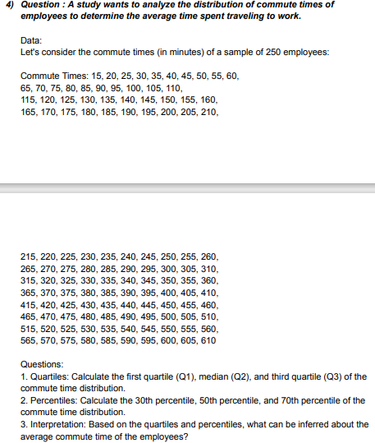
 |  |  | 15 | 20 | 25 | 30 | 35 | 40 | 45 | 50 | 55 | 60
 |  |  | 65 | 70 | 75 | 80 | 85 | 90 | 95 | 100 | 105 | 110
 |  |  | 115 | 120 | 125 | 130 | 135 | 140 | 145 | 150 | 155 | 160
 |  |  | 165 | 170 | 175 | 180 | 185 | 190 | 195 | 200 | 205 | 210
 |  |  | 215 | 220 | 225 | 230 | 235 | 240 | 245 | 250 | 255 | 260
 |  |  | 265 | 270 | 275 | 280 | 285 | 290 | 295 | 300 | 305 | 310
 |  |  | 315 | 320 | 325 | 330 | 335 | 340 | 345 | 350 | 355 | 360
 |  |  | 365 | 370 | 375 | 380 | 385 | 390 | 395 | 400 | 405 | 410
 |  |  | 415 | 420 | 425 | 430 | 435 | 440 | 445 | 450 | 455 | 460
 |  |  | 465 | 470 | 475 | 480 | 485 | 490 | 495 | 500 | 505 | 510
 |  |  | 515 | 520 | 525 | 530 | 535 | 540 | 545 | 550 | 555 | 560
 |  |  | 565 | 570 | 575 | 580 | 585 | 590 | 595 | 600 | 605 | 610

 |  |  | Quartiles |  |  |  | Percentiles |  |  | Interpretation
 |  |  |  |  |  |  |  |  |  | Given the commute times data of 250 employees we noticed that the Highest Percentile times in minutes 431.5 and the Lowest Percentile times in minutes 193.5 and otherside in Quartiles the Higest Quartile minutes is 461.25 and the Lowest Quartile 163.75
 |  |  | Q1 | 163.75 |  |  | 30TH | 193.5
 |  |  | Q2 | 312.5 |  |  | 50TH | 312.5
 |  |  | Q3 | 461.25 |  |  | 70TH | 431.5

Q-5

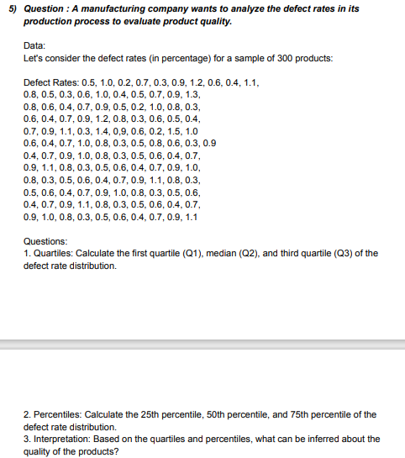
 |  |  | 0.5 | 1 | 0.2 | 0.7 | 0.3 | 0.9 | 1.2 | 0.6 | 0.4 | 1.1
 |  |  | 0.8 | 0.5 | 0.3 | 0.6 | 1 | 0.4 | 0.5 | 0.7 | 0.9 | 1.3
 |  |  | 0.8 | 0.6 | 0.4 | 0.7 | 0.9 | 0.5 | 0.2 | 1 | 0.8 | 0.3
 |  |  | 0.6 | 0.4 | 0.7 | 0.9 | 1.2 | 0.8 | 0.3 | 0.6 | 0.5 | 0.4
 |  |  | 0.7 | 0.9 | 1.1 | 0.3 | 1.4 | 0.9 | 1 | 0.6 | 0.2 | 1.5
 |  |  | 0.6 | 0.4 | 0.7 | 1 | 0.8 | 0.3 | 0.5 | 0.8 | 0.6 | 0.3 | 0.9
 |  |  | 0.4 | 0.7 | 0.9 | 1 | 0.8 | 0.3 | 0.5 | 0.6 | 0.4 | 0.7
 |  |  | 0.9 | 1.1 | 0.8 | 0.3 | 0.5 | 0.6 | 0.4 | 0.7 | 0.9 | 1
 |  |  | 0.8 | 0.3 | 0.5 | 0.6 | 0.4 | 0.7 | 0.9 | 1.1 | 0.8 | 0.3
 |  |  | 0.5 | 0.6 | 0.4 | 0.7 | 0.9 | 1 | 0.8 | 0.3 | 0.5 | 0.6
 |  |  | 0.4 | 0.7 | 0.9 | 1.1 | 0.8 | 0.3 | 0.5 | 0.6 | 0.4 | 0.7
 |  |  | 0.9 | 1 | 0.8 | 0.3 | 0.5 | 0.6 | 0.4 | 0.7 | 0.9 | 1.1

 |  |  | Quartiles |  |  | Percentiles |  |  | Interpretation
 |  |  |  |  |  |  |  |  | Given the defect rates data of 300 products we noticed that the Highest Percentile rates in percentage 0.9 and the Lowest Percentile rates in percentage 0.4 and otherside in Quartiles the Higest Quartile rate and the Lowest Quartile are same as percentile rates.
 |  |  | Q1 | 0.4 |  | 25TH | 0.4
 |  |  | Q2 | 0.7 |  | 50TH | 0.7
 |  |  | Q3 | 0.9 |  | 75TH | 0.9

Sheet2
Histogram
Bin | Frequency
25 | 0
30 | 10
35 | 13
40 | 15
45 | 10
50 | 2
More | 0

Sheet3
Histogram
Bin | Frequency
1 | 0
2 | 8
3 | 30
4 | 39
5 | 23
More | 0

